Problem 2.1
ln[(Vth)O - Vth / (Vth)O]
Decreasing Degradation

Time, t (hr) | Vth, (Volts)
0 | 0.75
1 | 0.728
2 | 0.723
10 | 0.71

 | ln[(Vth)O - Vth / (Vth)O] = mln (t) + ln(Ao)

Time; t (hr) | Vth (Volts) | (Vth)O - Vth / (Vth)O | ln(t) | ln[(Vth)O - Vth / (Vth)O]
0 | 0.75 | 0 | #NUM! | #NUM!
1 | 0.728 | 0.03 | 0 | -3.5290307532
2 | 0.723 | 0.04 | 0.69314718056 | -3.3242363405
10 | 0.71 | 0.05 | 2.302585093 | -2.9311937524

m=.2569
ln(Ao) = -3.5
Ao=exp(-3.518) | 0.030197383422
 |  | 3.1622776602
 |  | 0.094868329805
Vth=(Vth)o[1 - Ao(t)m] |  | 0.90513167019
Vth=0.75[1 - 0.03/(hr)0.25 x t 0.25]] |  | 0.67884875265 | Vthreshold

Problem 2.2
Increasing Degradation

Number of cycles | Crack size; CS -µm
0 | 1
100 | 2
200 | 9
300 | 28

 | ln[(CS) - (CS)o / (CS)o] = mln (t) + ln(Ao)

Time; t (hr) | CS | (CS)O - CS / (CS)O | ln(t) | ln[(CS)O - CS / (CS)O]
0 | 1 | 0 | #NUM! | #NUM!
100 | 2 | 1 | 4.605170186 | 0
200 | 9 | 8 | 5.2983173665 | 2.0794415417
300 | 28 | 27 | 5.7037824747 | 3.295836866

m | 3
ln(Ao) = -13.82
Ao=exp(-13.82) | 1.0E-06
 |  | 125000000
 |  | 1.2E+02
CS=(CS)o[1 + Ao(t)m] |  | 125.44007756
CS=1[1 + 1E06/(hr)3 x t 3]] |  | 125.44007756 | CS

Since m > 1 than degradation rate is increasing with time

Problem 1
Increasing Degradation

Time, t (hr) | Vth, (Volts)
0 | 0.4
1 | 0.42
10 | 0.44
100 | 0.48

 | ln[(Vth) - (Vth)o / (Vth)o] = mln (t) + ln(Ao)

Time; t (hr) | Vth (Volts) | (Vth)O - Vth / (Vth)O | ln(t) | ln[(Vth)O - Vth / (Vth)O]
0 | 0.4 | 0 | #NUM! | #NUM!
1 | 0.42 | 0.05 | 0 | -2.9957322736
10 | 0.44 | 0.1 | 2.302585093 | -2.302585093
100 | 0.48 | 0.2 | 4.605170186 | -1.6094379124

m | 0.3
ln(Ao) = -3
Ao=exp(-3) | 0.05
 |  | 7.9432823472
 |  | 0.39716411736
Vth=(Vth)o[1 + Ao(t)m] |  | 1.3971641174
Vth=0.4[1 + 0.05/(hr)0.3 x t 0.3]] |  | 0.55886564694 | Vthreshold

Since m < 1 than degradation rate is decreasing with time

Problem 2
Decreasing Degradation

Time, (day) | P (lb/in2)
0 | 32
1 | 30.72
2 | 30.06
3 | 29.53

 | ln[(Pth)O - Pth / (Pth)O] = mln (t) + ln(Ao)

Time; t (hr) | Pth (Psi) | (Pth)O - Pth / (Pth)O | ln(t) | ln[(Pth)O - Pth / (Pth)O]
0 | 32 | 0 | #NUM! | #NUM!
1 | 30.72 | 0.04 | 0 | -3.2188758249
2 | 30.06 | 0.06 | 0.69314718056 | -2.8030479297
3 | 29.53 | 0.08 | 1.0986122887 | -2.5615177522

m=.6
ln(Ao) | -3.2
Ao=exp(-3.2) | 0.040762203978
 |  | 3.9810717055
 |  | 0.15924286822
Pth=(Pth)o[1 - Ao(t)m] |  | 0.84075713178
Pth=32[1 - 0.04/(hr)0.6 x t 0.6]] |  | 26.904228217 | Pthreshold

Since m < 1 than degradation rate is decreasing with time

Problem 3
Increasing Degradation

Time, t (hr) | Resistance (Ohms)
0 | 10
1 | 10.02
5 | 10.22
10 | 10.63

Time; t (hr) | Rth (Volts) | (Rth)O - Rth / (Rth)O | ln(t) | ln[(Rth)O - Rth / (Rth)O]
0 | 10 | 0 | #NUM! | #NUM!
1 | 10.02 | 0.002 | 0 | -6.2146080984
5 | 10.22 | 0.022 | 1.6094379124 | -3.8167128256
10 | 10.63 | 0.063 | 2.302585093 | -2.7646205526

m | 1.5
ln(Ao) = -6.2
Ao=exp(-6.2) | 0.0020294306
 |  | 1000
 |  | 2.0294306363
Rth=(Rth)o[1 + Ao(t)m] |  | 3.0294306363
Rth=10[1 + 0.002/(hr)1.5 x t 1.5]] |  | 30.294306363 | Rthreshold

Since m > 1 than degradation rate is INCREASING with time

Problem 4
Increasing Degradation

Time, t (hr) | Oxide Thickness,Tox (µm)
0 | 1
1 | 1.9
2 | 2.27
3 | 2.56

Time; t (hr) | Tox (µm) | (Tox)O - Tox/ (Tox)O | ln(t) | ln[(Tox)O - Tox th / (Tox th)O]
0 | 1 | 0 | #NUM! | #NUM!
1 | 1.9 | 0.9 | 0 | -0.10536051566
2 | 2.27 | 1.27 | 0.69314718056 | 0.23901690047
3 | 2.56 | 1.56 | 1.0986122887 | 0.44468582126

m | 0.5
ln(Ao) = -.106
Ao=exp(-.106) | 0.9
 |  | 3.1622776602 |  |  | 26.7
 |  | 2.8442304716 |  |  | 132.4
Tox th=(Tox th)o[1 + Ao(t)m] |  | 3.8442304716 |  |  | 0.20166163142
T ox th=1[1 + 0.09/(hr)1.5 x t 0.5]] |  | 3.8442304716 | T ox threshold (µm)

Since m < 1 than degradation rate is DECREASING with time

Problem 5
Increasing Degradation

Time, t (hr) | PSA
0 | 1
1 | 1.1
2 | 1.4
3 | 1.9

Time; t (hr) | PSA | (PSA)O - PSA/ PSAO | ln(t) | ln[(Tox)O - Tox th / (Tox th)O]
0 | 1 | 0 | #NUM! | #NUM!
1 | 1.1 | 0.1 | 0 | -2.302585093
2 | 1.4 | 0.4 | 0.69314718056 | -0.91629073187
3 | 1.9 | 0.9 | 1.0986122887 | -0.10536051566

m | 2
ln(Ao) = -2.3026
Ao=exp(-2.3026) | 0.1
 |  | 100 |  |  | 26.7
 |  | 9.9998509311 |  |  | 132.4
PSA=(PSA)o[1 + Ao(t)m] |  | 10.999850931 |  |  | 0.20166163142
PSA=1[1 + 0.1/(yr)2 x t 2]] |  | 10.999850931 | T ox threshold (µm)

Since m > 1 rate of increase of PSA is very strong

Problem 6
Decreasing Degradation

Time, (year) | (Na/K) Ratio
0 | 31.93
1 | 31.61
2 | 31.51
3 | 31.43

 | ln[(Pth)O - Pth / (Pth)O] = mln (t) + ln(Ao)

Time; t (hr) | Na / K | (Na/ K)O - Na /K th / (Na / K)O | ln(t) | ln[(Na / K )O - Na / K th / (Na / K)O]
0 | 31.93 | 0 | #NUM! | #NUM!
1 | 31.61 | 0.01 | 0 | -4.6029802899
2 | 31.51 | 0.01 | 0.69314718056 | -4.3310465744
3 | 31.43 | 0.02 | 1.0986122887 | -4.1566931873

m=.4
ln(Ao) | -4.6
Ao=exp(-4.6) | 0.010051835745
 |  | 3.9810717055
 |  | 0.15924286822
 |  | 0.84075713178
Na / K =31.93[1 - 0.01/(yr)0.4 x t 0.4]] |  | 26.845375218 | Pthreshold

Since m < 1 than rate of reduction is decreasing with time

Ball Bearing Example
Load; Li | Actual Revolutions; ni | Load; LR | Equivalent Revolutions; Nr
3,500 | 750,000 | 4,000 | 502,441
4,000 | 450,000 | 4,000 | 450,000
4,500 | 20,000 | 4,000 | 28,477
Total | 1,220,000 |  | 980,918

Conclusion: 1220000 revolutions at varying loads is equivalent to 980,918 revolutions at a fixed load of 4,000 lbf

SN Curve
 | Strngth
1000 | 100
1000000 | 42.169621589
Load; Li | Actual Revolutions; Nr | Load; LR | Equivalent Revolutions; Ni
3,500 | 1,000,000 | 4,000 | 1,492,711
4,000 | 1,000,000 | 4,000 | 1,000,000
4,500 | 1,000,000 | 4,000 | 702,332
Total | 3,000,000 |  | 3,195,043

Active standby model
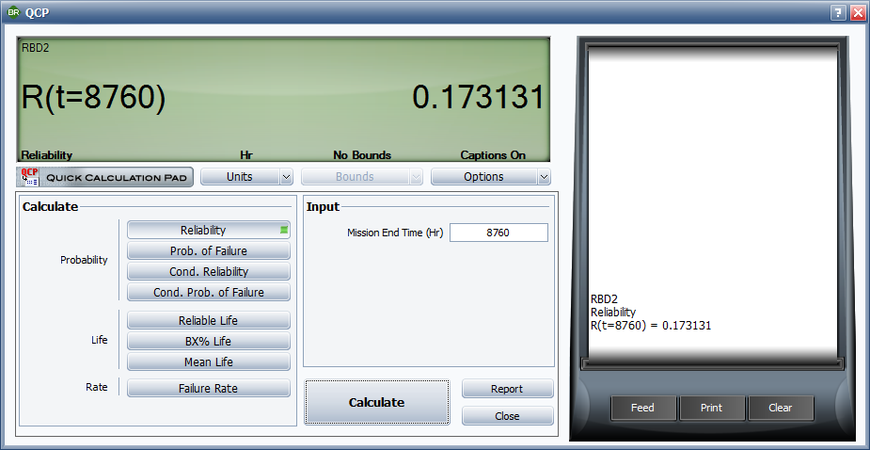
R _{s} (t) $=ⅇ^{−λat}+\frac{pλa}{λb − λa }(ⅇ^{−λat}$ - $ⅇ^{−λbt}$)
Where: p is the reliability of the switch
λa is the failure rate for the primary component
λb is the failure rate of the standby component
Active generator, λa (failures / hour) | 0.001
Standby generator, λb (failures / hour) | 0.00023
Active generator, MTBFa | 1000
Standby generator, MTBFb | 4347.826087
Operating time (hours) | 8,760
Probability of switching | 1

 | 0.00015688460859 | =1/EXP(C4*C8) |  | 4.6853310359E-07
 | -1.2987012987 | =(C9*C4)/(C5-C4) |  | 9.6860276528E-08
 | -0.1331901855 | =1/EXP(C4*C8)-1/EXP(C5*C8) |  | 1.032E+07 | CTDT
 | Rsystem (8,760) | 0.173 | =C12+C13*C14 | 2.134E+06 | PSM 1
 |  |  |  | 8.190E+06

m exponent for Coffin Manson
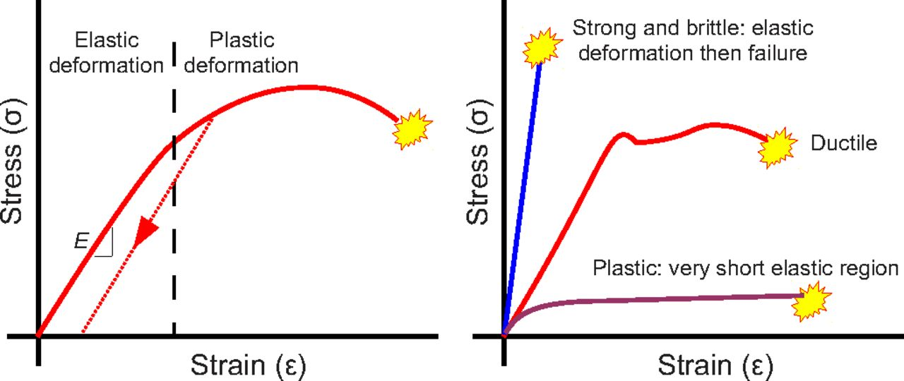
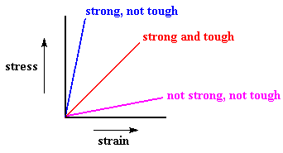
Brittle:
Cast iron
Ceramics
Glass
Material | m | Effect of temperature cycle exponent
Soft metals (Solder, Aluminum, plastics, copper) | 1 to 3 | High cycles to fatigue failure at stress level
Hard metals / Intermetallics (Kevlar, Steels, alloys (Al, Ti, etc) | 3 to 6 | Medium cycles to fatigue failure at stress level
Tough:
Kevlar
Steels
Alloys (Al, Ti, etc.)
Brittle materials ( Cast iron, ceramics , glass) | 6 to 9 | Low cycles to fatigue failure at stress level

Ductile:
Plastics
Copper
Solder

Miner rule I
Problem:
A pressure vessel is made up of aluminum alloy & operates in two states at 20 cycles per minute.
It operates in the first state at 60% of the time @ stress change of 1,500 psi; the cycles to failure in this state are 1,000,000 cycles
In the second state (40% of the time), a stress change of 2,400 psi is exerted on the vessel, & the cycles to failure in this state are 215,000.
Expected life in hours of hydraulic pressure unit? | Find the expected life in hours of this hydraulic pressure unit

n1 (cycles per minute) | 12
n2 (cycles per minute) | 8
n1 + n2 (cycles per minute) | 20

Damage | 4.9209302326E-05 | per minute
 | 0.0029525581395 | per hour

Failure occurs when damage | 1
Damage =1 = @ N hours for failure x 0.00294 amount of damage per hour
N hours for failure | 340

 | Time (hours) | Damage fraction
 | 340 | 1
 | 306 | 0.9
 | 272 | 0.8
 | 238 | 0.7
 | 204 | 0.6
 | 170 | 0.5
 | 136 | 0.4
 | 102 | 0.3
 | 68 | 0.2
 | 34 | 0.1
 | 0 | 0

 | β | 2
 | E(x) | 340
 | η | 383.64891681

Miners rule II
Problem:
Aluminum alloy has the following fatigue characteristics

Stress 1, N | 45 | Cycles
Stress 2, N | 310 | Cycles
Stress 3, N | 12,400 | Cycles

How many times can the following sequence be repeated?
n1 | 5 | cycles @ stress 1
n2 | 60 | cycles @ stress 2
n3 | 495 | cycles @ stress 3

Solution:
The fraction of life exhausted in each block are:

Stress 1 | 0.111
Stress 2 | 0.194
Stress 3 | 0.040
Damage total | 0.345 | per cycle

Failure occurs when damage | 1
Damage =1 = @ N cycles for failure x 0.345 amount of damage per cycle
N cycles to failure | 2.9

 | Time (hours) | Damage fraction
 | 2.9 | 1
 | 2.6 | 0.9
 | 2.3 | 0.8
 | 2.0 | 0.7
 | 1.7 | 0.6
 | 1.5 | 0.5
 | 1.2 | 0.4
 | 0.9 | 0.3
 | 0.6 | 0.2
 | 0.3 | 0.1
 | 0.0 | 0

